CollectiveAccess
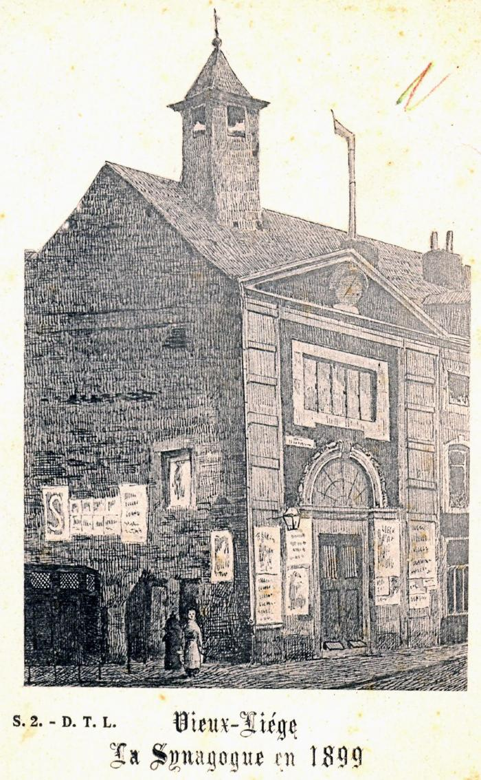
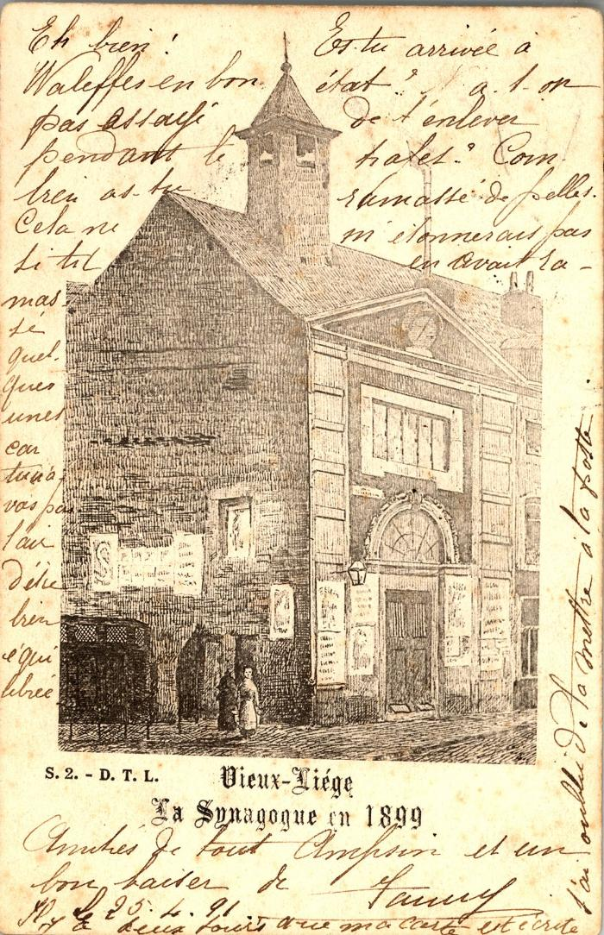
Image | Object | Description | Date
 | [VIDE] (03169)
 | Vieux Liège. La Synagogue (03878)

